Supplementary
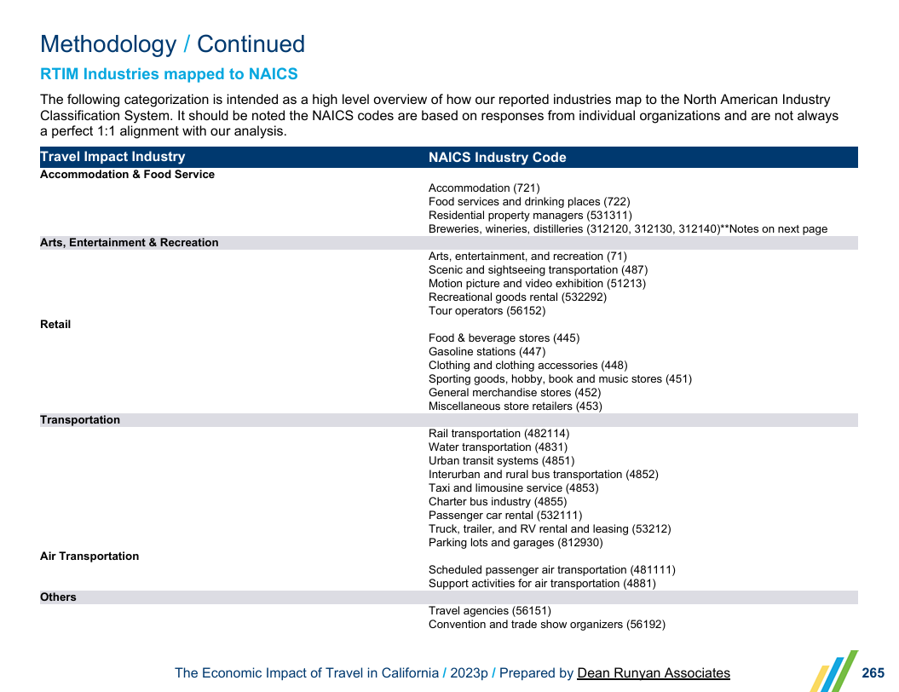
Hydrology for Economy follows weighted year indexes (Sac-SJ Index Weighted--May 1st Forecast); opposed to seasonal activities following (Apr-Sep) & (Oct-Mar); However, definitions come from the same "Seasonal Weighted Hydrology" Primary sheet: Columns S & T on 'sheet 1' for purposes of cross-referencing.
Methodology: add hydrologic year classifications to Travel Industry sectors afforded by BEA Sheet, keeping in objectives with Dean Runyan Associates (2023) for The Economic Impact of Travel in California. In our case the 5-Delta Counties.

